Item Library test case
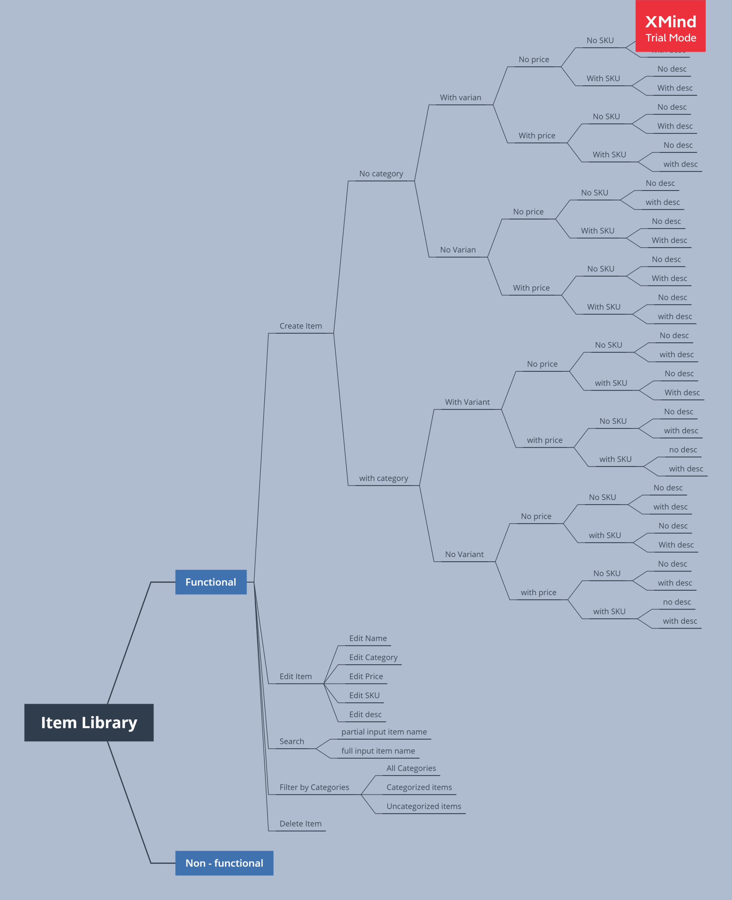
No | Scenario Name | Preconditions | Steps | Priority | Expected Result | Actual Result
1 | user created item NO category, NO variant, price, SKU and No desc | Given User have login to the mokapos backoffice | When User click create item button |  | PASS | PASS
 |  | And User Opening the Item library page | And User input random item name
 |  |  | And User input random item price
 |  |  | And User input random SKU name on create item form
 |  |  | And User click save button on create item form
 |  |  | Then User see newly created item
2 | User created item NO category, NO variant, price, SKU, and desc | Given User have login to the mokapos backoffice | When User click create item button |  | PASS | PASS
 |  | And User Opening the Item library page | And User input random item name
 |  |  | And User input random item price
 |  |  | And User input random SKU name on create item form
 |  |  | And User input "some description" on description box
 |  |  | And User click save button on create item form
 |  |  | Then User see newly created item |  | PASS | PASS
3 | User created item NO category, NO variant, price, NO SKU and NO desc | Given User have login to the mokapos backoffice | When User click create item button
 |  | And User Opening the Item library page | And User input random item name
 |  |  | And User input random item price
 |  |  | And User click save button on create item form
 |  |  | Then User see newly created item
4 | User created item NO category, NO variant, price, NO SKU and desc | Given User have login to the mokapos backoffice | When User click create item button |  | PASS | PASS
 |  | And User Opening the Item library page | And User input random item name
 |  |  | And User input random item price
 |  |  | And User input "some description" on description box
 |  |  | And User click save button on create item form
 |  |  | Then User see newly created item
5 | User created item NO category, NO variant, price, SKU and NO desc | Given User have login to the mokapos backoffice | When User click create item button |  | PASS | PASS
 |  | And User Opening the Item library page | And User input random item name
 |  |  | And User input random item price
 |  |  | And User input random SKU name on create item form
 |  |  | And User click save button on create item form
 |  |  | Then User see newly created item
6 | User created item NO category, NO variant, price, SKU and desc | Given User have login to the mokapos backoffice | When User click create item button |  | PASS | PASS
 |  | And User Opening the Item library page | And User input random item name
 |  |  | And User input random item price
 |  |  | And User input random SKU name on create item form
 |  |  | And User input "some description" on description box
 |  |  | And User click save button on create item form
 |  |  | Then User see newly created item |  | PASS | PASS
7 | User created item NO category, NO variant, NO price, SKU and desc | Given User have login to the mokapos backoffice | When User click create item button
 |  | And User Opening the Item library page | And User input random item name
 |  |  | And User input random SKU name on create item form
 |  |  | And User input "some description" on description box
 |  |  | And User click save button on create item form
 |  |  | Then User see newly created item |  | PASS | PASS
8 | User created item NO category, NO variant, NO price, SKU and NO desc | Given User have login to the mokapos backoffice | When User click create item button
 |  | And User Opening the Item library page | And User input random item name
 |  |  | And User input random SKU name on create item form
 |  |  | And User click save button on create item form
 |  |  | Then User see newly created item
9 | User created item NO category, NO variant, NO price, NO SKU and NO desc | Given User have login to the mokapos backoffice | When User click create item button |  | PASS | PASS
 |  | And User Opening the Item library page | And User input random item name
 |  |  | And User click save button on create item form
 |  |  | Then User see newly created item
10 | User created item NO category, NO variant, NO price, NO SKU and desc | Given User have login to the mokapos backoffice | When User click create item button
 |  | And User Opening the Item library page | And User input random item name
 |  |  | And User input "some description" on description box |  | PASS | PASS
 |  |  | And User click save button on create item form
 |  |  | Then User see newly created item
11 | User edit existing item name | Given User have login to the mokapos backoffice | When User click existing item button
 |  | And User Opening the Item library page | And User edit item name
 |  |  | And User click save button on create item form
 |  |  | Then User see newly created item |  | PASS | PASS
12 | User edit existing item category | Given User have login to the mokapos backoffice | When User click existing item button
 |  | And User Opening the Item library page | And User edit item category
 |  |  | And User click save button on create item form
 |  |  | Then User see newly created item
13 | User edit existing item price | Given User have login to the mokapos backoffice | When User click existing item button
 |  | And User Opening the Item library page | And User edit item price |  | PASS | PASS
 |  |  | And User click save button on create item form
 |  |  | Then User see newly created item
14 | User edit existing item sku | Given User have login to the mokapos backoffice | When User click existing item button
 |  | And User Opening the Item library page | And User edit item SKU
 |  |  | And User click save button on create item form
 |  |  | Then User see newly created item |  | PASS | PASS
15 | User edit existing item desc | Given User have login to the mokapos backoffice | When User click existing item button
 |  | And User Opening the Item library page | And User edit item description
 |  |  | And User click save button on create item form
 |  |  | Then User see newly created item
16 | User search item by partial input | Given User have login to the mokapos backoffice | When user click search box
 |  | And User Opening the Item library page | When user type "blac" on search box |  | PASS | PASS
 |  |  | Then user see the search result
17 | User search item by full input | Given User have login to the mokapos backoffice | When user click search box
 |  | And User Opening the Item library page | When user type "black coffee" on search box
 |  |  | Then user see the search result
18 | User filter item by All categories | Given User have login to the mokapos backoffice | When user click filter button
 |  | And User Opening the Item library page | And user click all categories filter |  | PASS | PASS
 |  |  | then user see filtered item
19 | User filter item by specific category | Given User have login to the mokapos backoffice | When user click filter button
 |  | And User Opening the Item library page | And user click specific filter
 |  |  | then user see filtered item
20 | User filter item by uncategorized | Given User have login to the mokapos backoffice | When user click filter button
 |  | And User Opening the Item library page | And user click uncategorized filter |  | PASS | PASS
 |  |  | then user see filtered item
21 | User deleted an item | Given User have login to the mokapos backoffice | When User click existing item button
 |  | And User Opening the Item library page | And User click delete icon
 |  |  | And User click confirm button
 |  |  | Then User see that item has been removed

Category test case
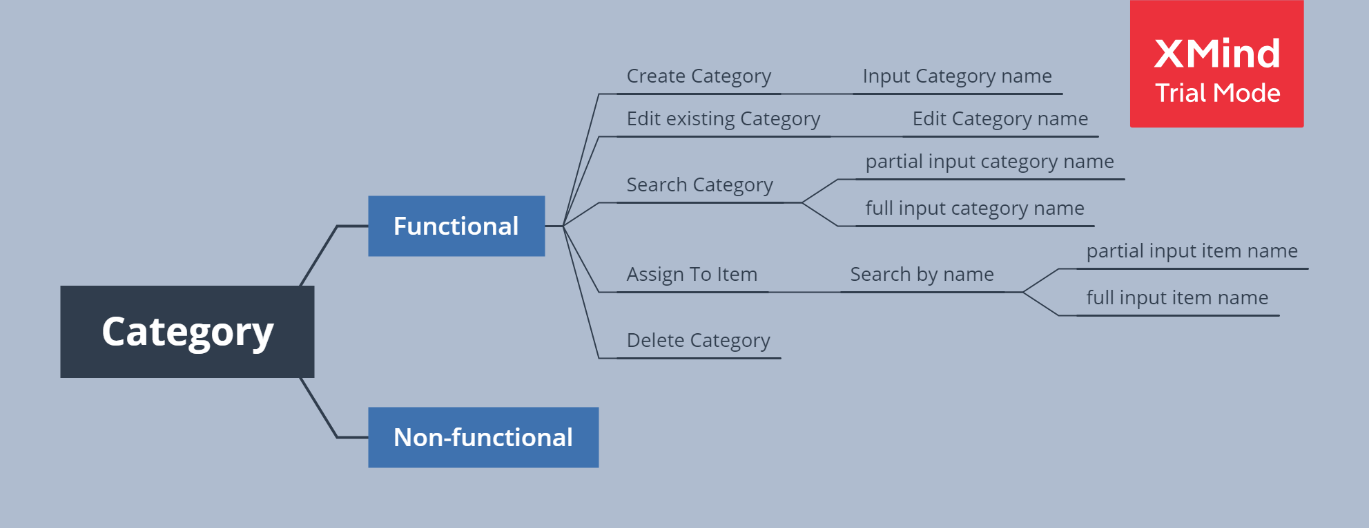
No | Scenario Name | Preconditions | Steps | Priority | Expected Result | Actual Result
1 | User create a category | Given User have login to the mokapos backoffice | When user click create category button on categories page |  | PASS | PASS
 |  | And User Opening the Item category page | And User input category name "Coffee" on name form
 |  |  | And User click save button on category page
 |  |  | Then User see "Coffee" category added
2 | User edit existing category | Given User have login to the mokapos backoffice | When user click existing category on categories page |  | PASS | PASS
 |  | And User Opening the Item category page | And User edit category name to "Milk" on name form
 |  | And User created a category | And User click save button on category page
 |  |  | Then User see "Milk" category added
3 | User search item by partial input | Given User have login to the mokapos backoffice | When user click search box on category page |  | PASS | PASS
 |  | And User Opening the Item library page | When user type "Coff" on search box
 |  | And User created a category | Then user see the search result
4 | User search item by full input | Given User have login to the mokapos backoffice | When user click search box on category page |  | PASS | PASS
 |  | And User Opening the Item library page | When user type "Coffee" on search box
 |  | And User created a category | Then user see the search result
5 | User assign category to an items | Given User have login to the mokapos backoffice | When User click assign to item |  | PASS | PASS
 |  | And User Opening the Item library page | And User search item by name
 |  | And User created a category | And user see search result
 |  |  | And user click assign to item that found on search result
 |  |  | Then User see that category is being assigned to items
6 | Delete category | Given User have login to the mokapos backoffice | When user click on existing category |  | PASS | PASS
 |  | And User Opening the Item category page | And user click remove button
 |  | And User created a category | And user click confirm button
 |  |  | Then user see that category has been deleted

